Dashboard

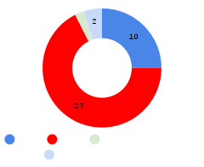


ORGANISASI RISET ELEKTRONIKA DAN INFORMATIKA - BADAN RISET DAN INOVASI NASIONAL
PURWARUPA
KEKAYAAN INTELKTUAL
KERJASAMA
RINCIAN CAPAIAN UTAMA
DASHBOARD CAPAIAN KINERJA PUSAT RISET
SAINS DATA DAN INFORMASI
Dr. Esa Prakasa, M.T.
Kepala Pusat Riset Sains Data dan Informasi
Organisasi Riset Elektronika dan Informatika

Target dan Capaian Utama

Percentase Capaian PR
Capaian Lainnya

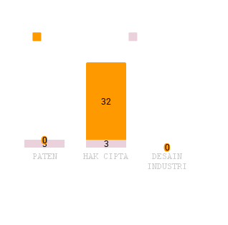
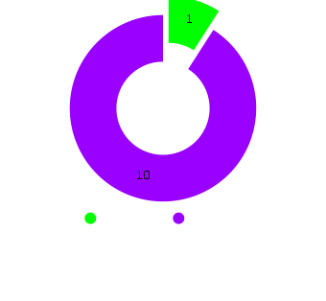

 | ,
`

PEROLEHAN SUMBER DANA EKSTERNAL
JENIS DAN OUTPUT
SUMBER DANA EKSTERNAL
SDM IPTEK
POSTDOC

Dashboard Lama


Capaian Lainnya

Percentase Capaian PR

 | ,
`


PUBLIKASI INTERNASIONAL
ORGANISASI RISET ELEKTRONIKAN DAN INFORMATIKA
PR SAINS DATA DAN INFORMASI
DASHBOARD CAPAIAN KINERJA
PUSAT RISET SAINS DATA DAN INFORMASI
Menghadirkan Inovasi melalui Sains Data dan Informasi
PURWARUPA

BIRO PERENCANAAN DAN KEUANGAN - ORGANISASI RISET ELEKTRONIKA DAN INFORMATIKA
PEMANTAUAN DAN EVALUASI KINERJA
“Transforming Insights into Action : Monitoring and Evaluating Performance”
SDM IPTEK
KEKAYAAN INTELEKTUAL

Target dan Capaian Utama
Percentase Capaian PR

PEROLEHAN SUMBER DANA EKSTERNAL
JENIS DAN OUTPUT
SUMBER DANA EKSTERNAL
KERJASAMA

